Hurling Team Details
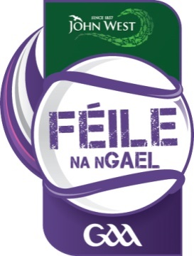
Feile Na nGael Visiting Teams
Total | Province | County | Club | County Position | Host Club | Reference
1 | Connacht | Galway 1 | Craughwell | A Winner | Dicksboro (KK) | Division 1
2 | Connacht | Galway 2 | Ardrahan | B Winner | Graiguenamanagh (KK) | Division 3
3 | Connacht | Galway 3 | Annaghdown | B Shield Winner | Lisdowney (KK). | Division 6
4 | Connacht | Galway 4 | Mountbellew-Moylough | County Nominee | Black and Whites (KK) | Division 11
5 | Connacht | Mayo 1 | Westport | A Winner | Danesfort (KK) | Division 3
6 | Connacht | Mayo 2 | Caiseal Gaels | A Runner Up | Emeralds (KK) | Division 6
7 | Connacht | Mayo 3 | Tooreen | B Winner | Mt. Leinster Rangers (CW) | Division 9
8 | Leinster | Laois 1 | Rosenallis | A Winner | Shelmaliers (WX). | Division 2
9 | Leinster | Laois 2 | Clonaslee St Manmams | B Winner | St. Annes (WX) | Division 4
#REF! | Leinster | Laois 3 | St Fintan’s Mountrath | County Nominee | Taghmon Camross | Division 8
10 | Leinster | Longford 1 | Longford Slashers | A Winner | St. Mullins (CW) | Division 7
11 | Leinster | Longford 2 | Wolfe Tones Óg | A Runner Up | St. Mary's Rosslare(WX) | Division 10
12 | Leinster | MEATH 1 | Trim | A Winner | Muckalee (KK) | Division 2
13 | Leinster | MEATH 2 | Rathmolyon | B Winner | Graigue Ballycallan (KK) | Division 4
14 | Leinster | MEATH 3 | Clann na nGael | C Winner | Galmoy/Windgap | Division 9
15 | Ulster | Donegal 1 | Setanta | A Winner | St Lachtains (KK) | Division 5
16 | Ulster | Donegal 2 | Burt | A Runner Up | Carlow HC (Cw) | Division 10
17 | Ulster | Donegal 3 | Buncrana | County Nominee | Fenians (KK) | Division 11
18 | Connacht | SLIGO | Benbulben Gaels | A Winner | Horeswood (Wx) | Division 5
19 | Connacht | SLIGO 2 | Naomh Eoin | A Runner Up | Ballinkillen (Cw) | Division 6
20 | Ulster | Cavan 1 | Cootehill Celtic | A Winner | Monageer Boolavogue (Wx) | Division 7
21 | Ulster | Cavan 2 | East Cavan Gaels Hurling | A Runner Up | Naomh Brid (CW) | Division 8
22 | Ulster | Cavan 3 | St Felims | County Nominee | Clonard (Wx) | Division 11

